Admin panel
Change language outline

Admin panel - Agent | （Account shop panel）

 | create new admin account
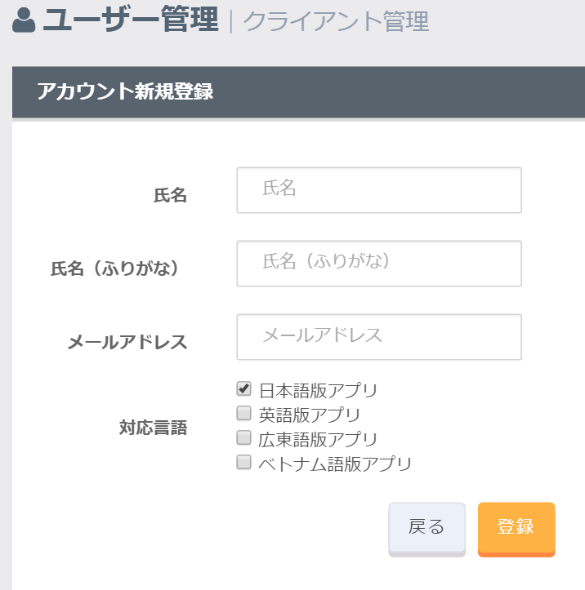

 |  |  |  |  | create new ipost account

 |  |  |  |  | name

 |  |  |  |  | mail

 |  |  |  |  | Choose your "create app lang"
 |  |  |  |  | > JP
 |  |  |  |  | > English
 |  |  |  |  | > Cantonese
 |  |  |  |  | > Vietnum

Client
 | get account create complete mail


 |  |  |  | Login to Create
 |  |  |  | (It is described in the mail checked lang URL)

 | Hello login to create your app!! Thank you!!

 | http://(domain)/admin/auth/login (default japanese)
 | http://(domain)/admin/auth/login?lang=zh
 | http://(domain)/admin/auth/login?lang=vi
 | http://(domain)/admin/auth/login?lang=en

Loddeg in
Admin panel - Aadmin | （iPost App create Panel）

 | http://(domain)/admin/auth/login (default)
 | http://(domain)/admin/auth/login?lang=ja
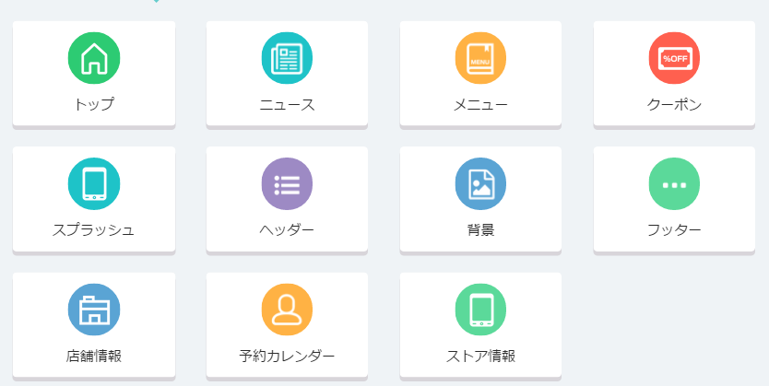

 | http://(domain)/admin/auth/login?lang=vi
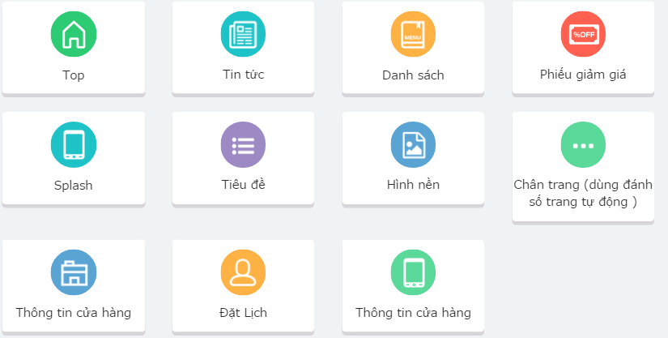

 | insert into user lang data

 | 1: logged in admin (create app panel)
 | 2: first logged in -> insert into lang record

 |  | sample
 |  | user_id = 1
 |  | choose lang -> jp,en

 |  | attension
 |  |  | first logged in jp -> insert 'lang' jp record
 |  |  | first logged in en -> insert 'lang' en record

iOS | android
 |  | Startup |  |  |  | server

 |  |  |  | call api

 |  |  |  | get param

 |  | get users create app lang

 | Api Call URL | sample url
 |  | http://(domain)/api/lang/1

 | use_table

 | use sql
 |  | select
 |  |  | lang
 |  | from
 |  |  | dtb_user_lang
 |  | where
 |  |  | user_id = 1 and allow_flg = 1

 | return json
 |  | [
 |  |  | {
 |  |  | “lang”:”jp"
 |  |  | }

 |  |  | {
 |  |  | “lang”:”en"
 |  |  | }
 |  | ]

Startup | app start up(Every time)

 | call api and get json
 | > jp
 | > en

 | device default lang = in create lang list
 | check device default lang

 |  | english | > | auto setting use 'en'

 |  | Client can use stress free.

 | device default lang -> not create this lang app

 |  |  |  | example
 |  |  |  | spain | > | we can't setting default lang !!

 |  |  |  | choose your language

 |  | Choose lang

settings
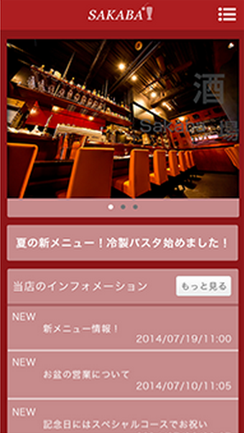
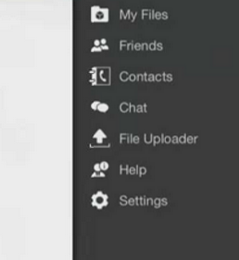

Language

 |  |  |  |  |  | create new side menu

 |  |  |  |  |  |  | display lang list

